ENERGY
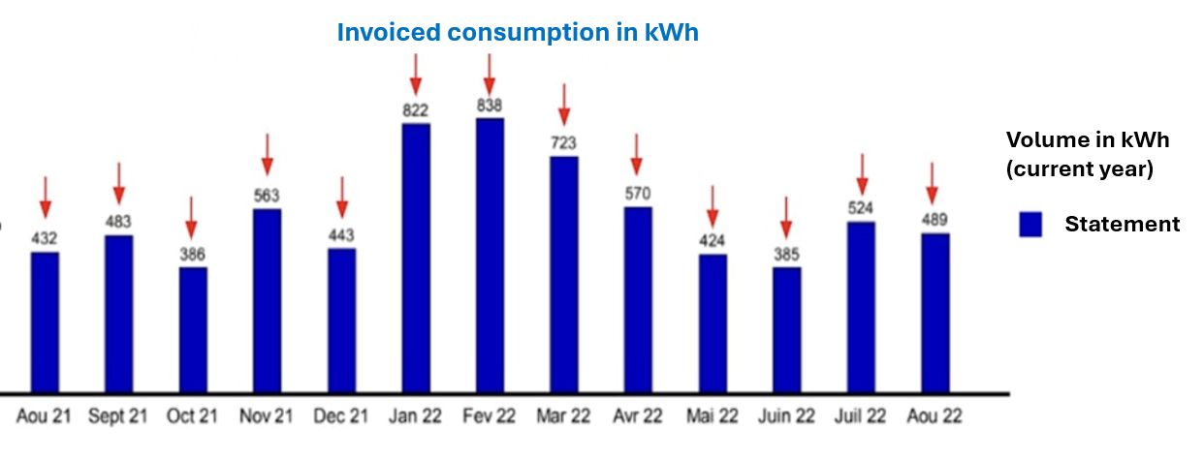
Guide: annual consumption in kWh can be found on your energy supplier's bill (an annual summary is usually available on the December bill).
ELECTRICITY
Type | Value | Unit | Emissions (kgCO2e)
Quebec electricity |  | kWh | 0

Guide: your annual consumption in kWh can be found on your energy supplier's bill (an annual summary is usually available on your December bill).
HEATING(boiler)
Type | Value | Unit | Emissions (kgCO2e)
Natural gas |  | kWh | 0

SUMMARY
Emissions (tCO2e)
Category | Emissions (tCO2e) | Emissions (%)
Transportation - patients | 0 | #DIV/0!
Prescriptions | 0 | #DIV/0!
Consumables | 0 | #DIV/0!
Energy | 0 | #DIV/0!
Equipment | 0 | #DIV/0!
Waste | 0 | #DIV/0!
Transportation - team | 0 | #DIV/0!
Deliveries | 0 | #DIV/0!
Digital flows | 0 | #DIV/0!
Fugitive emissions | 0 | #DIV/0!
Real estate | 0 | #DIV/0!
TOTAL | 0 | #DIV/0!

